Sheet1
 |  |  |  |  | ENTERPRISE RENTAL CAR FORM (Corporate Class# T40128, Vendor#21001623)

EMPLOYEE RENTING VEHICLE:
School/Location: |  |  |  |  |  | Contact#
Employee E-mail: |  |  |  |  |  |  | Personnel# (required)
Name of Driver (if different from above):

REASON FOR RENTAL:
Function:
Location of Function:
Date(s) of Rental: |  | From: |  |  |  |  | Pickup Time:
 |  | To: |  |  |  |  | Return Time:

NAME/TITLE OF SUPERVISOR:
SIGNATURE OF SUPERVISOR:
Must have signature of Supervisor Prior to Car Rental

ACCT INFO: |  | GL: | 786325 | Fund Centre | 68 | Fund: |  | Functional Area:
ENTERPRISE VEHICLES & RATES (Circle Rate):
 | 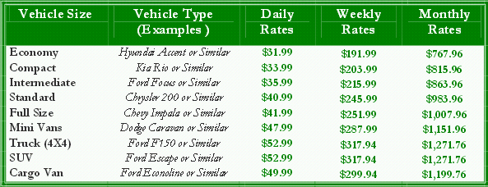
INSTRUCTIONS:
1) E-mail completed and approved form to: payables@ssrce.ca
2) If Travelling For Business Purposes, Fax Or Bring A Copy Of Completed Form To Enterprise When Picking Up Vehicle To Waive Enterprise Insurance As A Regional Centre Employee Under The Regional Centre Insurance Plan. Please Note, Schools Renting Vehicles For Sports Events Must Purchase The Enterprise Insurance For The Protection Of The School. Otherwise, The School Would Be Responsible To Pay For All Repairs Under $1000.
3) A Copy Of An Up To Date Insurance Certificate Is Attached. Please Take Certificate With You In The Rented Vehicle To Present To Law Enforcement Officer, If Stopped.

ENTERPRISE PHONE/FAX NUMBERS:
Bridgewater Office: 527-5909 or 1-800-736-8222 FAX# 527-5914
Yarmouth Office: 742-5559 or 1-800-736-8222 Fax # 742-5552

NOTE ON "AUTHORIZED DRIVERS"
All employees and non-employees driving students must be approved as an "AUTHORIZED DRIVER". To become an "AUTHORIZED DRIVER" you must be approved by the School Principal/Manager and only drive when a small number of students and/or short distances are involved. For trips outside NS approval must be obtained from the Regional Executive Director or Coordinator of Transportation. Seat belt capacity must not be exceeded. Principals/Managers shall keep a copy of the "AUTHORIZED DRIVER's" operators licence for rentals and if driver using own vehicle copies of operators licence, vehicle insurance policy (MUST HAVE $2 Million PL/PD) and vehicle inspection slip. No drivers under the age of 19 are permitted or newly licensed drivers. "AUTHORIZED DRIVERS" who are not employed by the Regional Centre MUST use Enterprise Insurance Coverage. Employees are covered under the Regional Centre's Insurance policy for the Regional Centre related events. SEE "NON-BOARD OWNED VEHICLES" POLICY #500.9 FOR DETAILS.

SOUTH SHORE REGIONAL CENTRE FOR EDUCATION

